Test_case_6_events
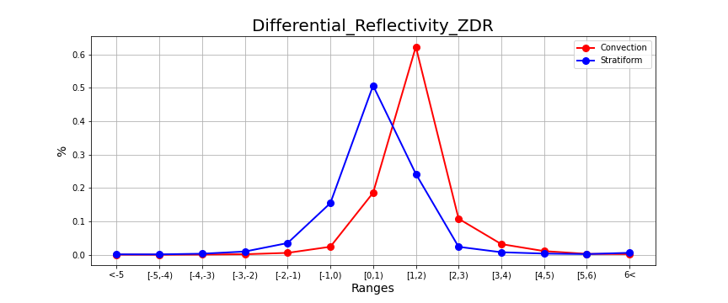
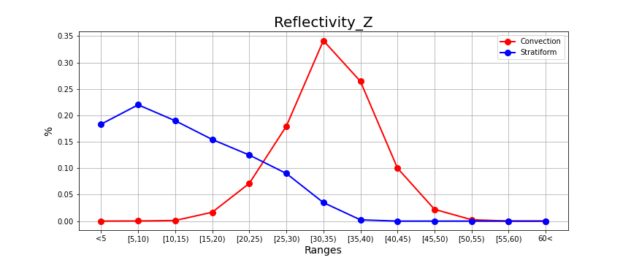
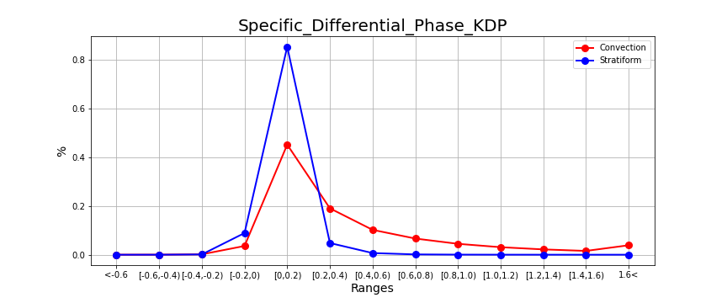
 | 0 | 1 | 2 | 3 | 4 | 5 | 6 | 7 | 8 | 9 | 10 | 11 | 12
 | <5 | 5,10 | 10,15 | 15,20 | 20,25 | 25,30 | 30,35 | 35,40 | 40,45 | 45,50 | 50,55 | 55,60 | 60<
Z_pre_C | 14 | 71 | 303 | 4396 | 18700 | 47077 | 89526 | 69300 | 26255 | 5831 | 684 | 20 | 0
%C_Z | 0 | 0 | 0 | 0.02 | 0.07 | 0.18 | 0.34 | 0.26 | 0.1 | 0.02 | 0 | 0 | 0
Z_pre_S | 1118887 | 1342233 | 1158375 | 942069 | 762451 | 549637 | 213528 | 14562 | 0 | 0 | 0 | 0 | 0
%S_Z | 0.18 | 0.22 | 0.19 | 0.15 | 0.12 | 0.09 | 0.03 | 0 | 0 | 0 | 0 | 0 | 0
 | -5 | [-5,-4) | [-4,-3) | [-3,-2) | [-2,-1) | [-1,0) | [0,1) | [1,2) | [2,3) | [3,4) | [4,5) | [5,6) | 6<
ZDR_pre_C | 199 | 104 | 240 | 489 | 1559 | 6361 | 48733 | 163351 | 28373 | 8440 | 2956 | 773 | 591
%C_ZDR | 0 | 0 | 0 | 0 | 0.01 | 0.02 | 0.19 | 0.62 | 0.11 | 0.03 | 0.01 | 0 | 0
ZDR_pre_S | 9380 | 8886 | 20921 | 60719 | 215540 | 944356 | 3090647 | 1478163 | 146910 | 47886 | 23430 | 14244 | 37484
%S_ZDR | 0 | 0 | 0 | 0.01 | 0.04 | 0.15 | 0.51 | 0.24 | 0.02 | 0.01 | 0 | 0 | 0.01

KDP_pre_C | 33 | 69 | 438 | 9409 | 118343 | 49873 | 26755 | 17407 | 11726 | 8106 | 5729 | 4110 | 10179
%C_KDP | 0 | 0 | 0 | 0.04 | 0.45 | 0.19 | 0.1 | 0.07 | 0.04 | 0.03 | 0.02 | 0.02 | 0.04
KDP_pre_S | 124 | 665 | 7485 | 542781 | 5201669 | 292837 | 41912 | 8199 | 2615 | 1164 | 609 | 336 | 558
%S_KDP | 0 | 0 | 0 | 0.09 | 0.85 | 0.05 | 0.01 | 0 | 0 | 0 | 0 | 0 | 0

